Assumptions
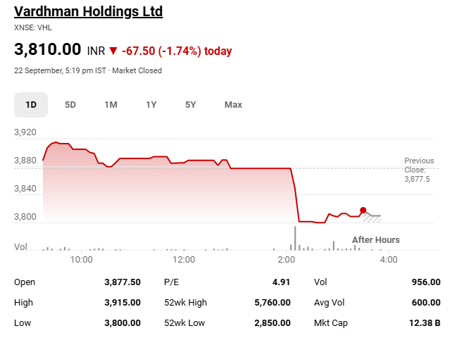
Scenario |  |  | Company Name | Vardhman Holdings Ltd
Base Case | 2 |  | ISIN Code | INE701A01023
 |  |  | Sector Name | Investment Company
Assumptions |  |  | Industry | Finance
Transaction Date | 2025-09-22 |  | Exchange Name | BSE: 500439 | NSE: VHL
Fiscal Year End | 2026-03-31 |  | Website | vardhman.in
Annual growth Tapering | 20.00% |  | Company Description | VHL is a Non Deposit Taking Systemically Important Non Banking Finance Corporation which is mainly into investment activities. It primarily earns its income from investments. Company’s strategy is to adopt a systematic approach of investment into different asset classes and to keep the portfolio dynamic as per the changing market conditions. Company’s current portfolio consists of investments into debt, equity and real estate. Interest Income from investments ~43%, Dividend Income from investments ~25%, Net gain on trading portfolio ~8%, Receipt against License agreement ~24%, (Company has no debt, it is debt free).
Risk Free Rate | 6.48%
Addition In CAPEX | 0.5%
Addition In Tax rate / 2 years | 0.5%
Addition In Dep / 3 years | 0.2%
Tax Rate | 6%
Investment Growth rate / year | 3%
Investments in associates Growth Rate / year | 4%
EV/EBITDA Multiple | 16.3x
Perpetual Growth Rate | 6%
Discount Rate | 14%
Shares Outstanding(Lakhs) | 31.9
Current Market Price | ₹ 3,810 |  | Associate Company | a) Vardhman Textiles Limited (VTXL)- Company holds ~28.48% shares of VTXL. It is engaged in manufacturing of texiles. b) Vardhman Spinning and General Mills Limited (VSGM)- Company holds ~50% shares of VSGM. It deals in trading of Cotton and Fibre. In FY23, VSGM has not traded any goods
Market Cap (Cr.) | ₹ 121,539

Colour Code
Blue colour | Hardcoded Figures
Black colour | Calculated Figures
Green Colour | Link Data figures

Items | Sheet |  | Reference | Assumptions

Revenue from operation | Revenue Buildup | B28:Q33 |  | Revenue has been forecasted using the historic average YoY growth of the last 5 years and tapered down to match the perpetual growth rate. Moreover, a Bull and a Bear Case has been calculated as +/-5% of Base Case respectively

Share of Profit of Associates | Revenue Buildup | B22:Q23 |  | Share of Profit of Associates: Taken as a multiple of revenue. For forecasted years (2026–2035), assumed at 8x revenue, based on the historical average of 2021–2025. (except 2023)

Other Income | Revenue Buildup | B25:Q26 |  | Other Income: Taken as a percentage of revenue. For forecasted years (2026–2035), assumed at 14% of revenue, derived from the historical average of 2021–2025.

Investments | Investment | B16:Q21 |  | Investment forecast is based on the historical average growth rate of Investment. For the forecasted period, we assumes a steady and conservative annual investment growth rate of 3% ( every 3 year). This simplified projection supports long-term financial planning by assuming stable, moderate expansion.

Investments in associates accounted for using the equity method | Investment | B9:Q12 |  | Investment in associates accounted for using the equity method forecast is based on the historical average growth rate of the investment. For the forecasted period, we assumes a steady and conservative annual investment growth rate of 4% ( every 3 year). This simplified projection supports long-term financial planning by assuming stable, moderate expansion.

Other Expenses | Cost Build_up | B19:Q23 |  | The first five years show actual historical percentages of revenue. For the forecasted period (2026–2035), other expenses are assumed based on the average percentage of revenue from 2021–2025, stabilizing around 24% and increasing proportionally with revenue growth.

Employee benefits expense, | Cost Build_up | B30:Q34 |  | From 2026 to 2035, the employee benefits expenses are forecasted using the average percentage of revenue from the historical five years (2021–2025), stabilizing at around 6% and reflecting growth in line with business expansion.

Perpetual Growth Rate | Assumptions | C21 |  | For calculating the Terminal Value in the DCF model, a perpetual growth rate of 6% has been assumed. This is aligned with India’s long-term GDP growth outlook, which is forecasted at approximately 6.4%

Effective Tax Rate | Cost Build_up | B39:Q39 |  | Taxes for the historical years are based on actual PBT percentages. For the forecasted years (2026–2035), taxes for projected year taken as the latest year of the tax ( which is 2025 tax rate ), and aslo adding the growing tax rate of 0.5 % every 2 year.

Other Receivables , Other Financial assets | Balance_Sheet_Forecast | B11:Q37 |  | The balances for Other Receivables and Other Financial Assets are forecasted based on their historical relationship to revenue. The specific percentage used for each forecast year is calculated as the average of their historical percentages of revenue.

Current Tax assets (Net), , Other non-financial assets | Balance_Sheet_Forecast | B11:Q37 |  | The balances for Current Tax Assets (Net), and Other Non-Financial Assets are forecasted based on their historical relationship to revenue. The specific amount for each forecast year is calculated as the average of their historical percentages of revenue.

Other financial liabilities | Balance_Sheet_Forecast | B11:Q37 |  | The balance for Other Financial Liabilities is forecasted based on its historical relationship to total revenue. The specific amount for each forecast year is calculated as the average of its historical percentage of revenue.

Other non-financial liabilities, Provision | Balance_Sheet_Forecast | B11:Q37 |  | The balances for Other Non-Financial Liabilities and Provisions are forecasted based on their historical relationship to total revenue. The specific amount for each forecast year is calculated as the average of their historical percentages of revenue.

Deferred Tax Asset (Net) | Balance_Sheet_Forecast | B11:Q37 |  | Deferred tax assets have declined over the past five years, reflecting reduced benefits. For forecasts, the latest year’s share of revenue is assumed to remain constant.
Riskfree Rate | Assumptions | C19 |  | The risk-free rate is based on the 10-year Indian government bond yield, reflecting long-term returns with minimal default risk.
Annual growth Tapering | Assumptions | C18 |  | Annual growth tapering is assumed at 20%, gradually aligning revenue growth with the perpetual growth rate in the projected year.
CAPEX | FSA | B18:Q18 |  | CAPEX is estimated as the average of revenue over the last five years. For forecasting, it is assumed to gradually increase by 0.5% each year, reflecting ongoing capital investment needs and supporting future business expansion and asset growth.

Deperciation & Amotisartion Exp. | FSA | B17:Q17 |  | The assumption for Depreciation & Amortisation is based on the percentage of Opening PPE. For forecasted years, the average historical percentage is taken and increased by 0.15% every 3 years for projection.

EV/EBITDA Multiple | Assumptions | C21 |  | The EV/EBITDA multiple is derived using the median value of peer companies within the same industry. This approach ensures a fair, industry-aligned valuation benchmark by eliminating outliers and reflecting realistic market expectations for enterprise value assessment.

Dividend payout Ratio | Income statement | B36:Q36 |  | The Dividend Payout Ratio is calculated as the percentage of net income distributed as dividends. For forecasting, the average of the last 5 years’ payout ratios is used and applied consistently for the next 10 years to maintain realistic projections.

Retained Earning | Income statement | B38:Q38 |  | Retained Earning is taken as the remaining profit after payment of the Dividend to the shareholder ( Net profit- Dividend Paid).
Equity Share Capital | Balancesheet statement | B41:Q41 |  | Equity Share Capital represents the funds raised by issuing shares to shareholders. For the forecasted year, it is assumed to remain the same as the previous year (2025) without any changes.
Other Equity | Balancesheet statement | B42:Q42 |  | Other Equity for the forecasted year is calculated as the previous year’s equity plus the current year’s net profit, minus the dividend paid during the current year
Beta | DCF | J15 |  | The beta of the company is calculated by using the monthly return of the equity and stocks closing price of the last 10 years.
Comparable valuation | Comps Valuation | B37:L47 |  | The Comparable valuation is calculated by taking the peers company which same industry and taken Average and median data of EV/EBITDA, EV/sales and P/E ratio for company Valuation.
Equity market Retrun | equity market | F14 |  | The equity market return is taken as the 10 year historical market data of the BSE sensex for the Equity Return.
Net Working Capital | Net Working Capital | B43:Q43 |  | Net Working Capital Consist Change of the Current portion of Current Assets and Current portion of Current Liabilities , The Current Assets & Current Liabilities are Taken from the annual Report based on their Maturity Paatern ( With in 12 Months) and some portion of Investment of Current Assets Taken as % of the total Investment and for forecasted year taken as the average of that.

Football Field Analysis
Football Field Analysis

Football Field Data
 | Comps Median | Comps Average | DCF (Average) | 52-Week Hi/LO | Market Consenses
High | ₹ 19,474 | ₹ 19,790 | ₹ 2,229 | ₹ 5,760 | ₹ 13,454
High | ₹ 19,474 | ₹ 19,790 | ₹ 2,229 | ₹ 5,760 | ₹ 13,454
Low | ₹ 962 | ₹ 886 | ₹ 1,635 | ₹ 2,850 | ₹ 3,000
Low | ₹ 962 | ₹ 886 | ₹ 1,635 | ₹ 2,850 | ₹ 3,000

